Questions
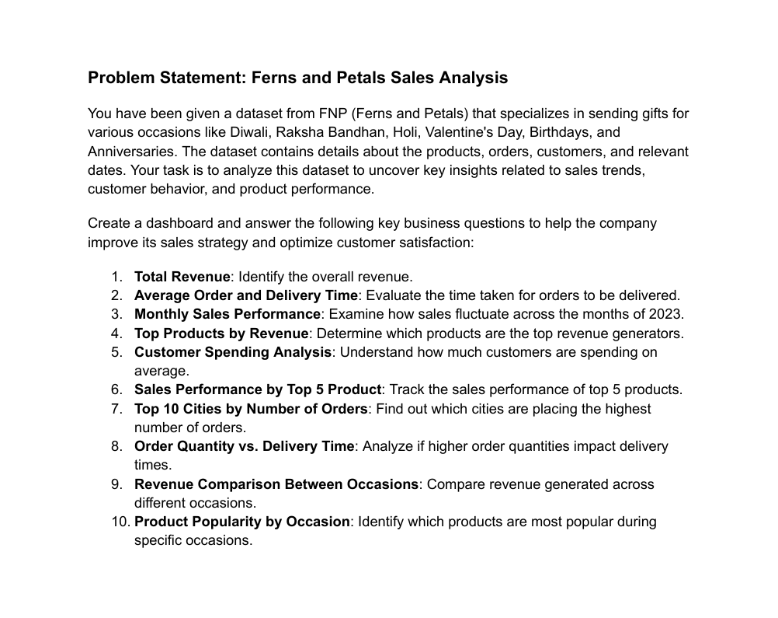

Dashboard
SALES ANALYSIS
1000 Total Orders
$3,520,984.00 Total Revenue
5.53 Order-Delivery Time
$3,520.98 Avg Customer's Spend

Revenue by Occasions
 | Total
All Occasions | $586,176.00
Anniversary | $674,634.00
Birthday | $408,194.00
Diwali | $313,783.00
Holi | $574,682.00
Raksha Bandhan | $631,585.00
Valentine's Day | $331,930.00
Revenue by Category
 | Total
Cake | $329,862.00
Colors | $1,005,645.00
Mugs | $201,151.00
Plants | $212,281.00
Raksha Bandhan | $297,372.00
Soft Toys | $740,831.00
Sweets | $733,842.00
Top 10 Cities by Orders
 | Total
Imphal | 108
Dhanbad | 85
Kavali | 84
Haridwar | 73
Dibrugarh | 70
Bhatpara | 62
Agra | 61
North Dumdum | 61
Bidhannagar | 61
Chinsurah | 55

Revenue by Months
 | Total
January | $95,468.00
February | $704,509.00
March | $511,823.00
April | $140,393.00
May | $150,346.00
June | $157,913.00
July | $135,826.00
August | $737,389.00
September | $136,938.00
October | $151,619.00
November | $449,169.00
December | $149,591.00
Top 5 Products by Revenue
 | Total
Deserunt Box | $97,665.00
Dolores Gift | $106,624.00
Harum Pack | $101,556.00
Magnam Set | $121,905.00
Quia Gift | $114,476.00
Revenue by Hour (Order-Time)
 | Total
0 | $99,400.00
1 | $129,309.00
2 | $152,940.00
3 | $146,810.00
4 | $114,700.00
5 | $156,198.00
6 | $177,211.00
7 | $147,749.00
8 | $133,617.00
9 | $153,678.00
10 | $94,985.00
11 | $130,287.00
12 | $162,394.00
13 | $152,340.00
14 | $126,406.00
15 | $163,586.00
16 | $128,797.00
17 | $155,373.00
18 | $173,118.00
19 | $185,771.00
20 | $186,426.00
21 | $155,466.00
22 | $125,912.00
23 | $168,511.00

